Sheet1
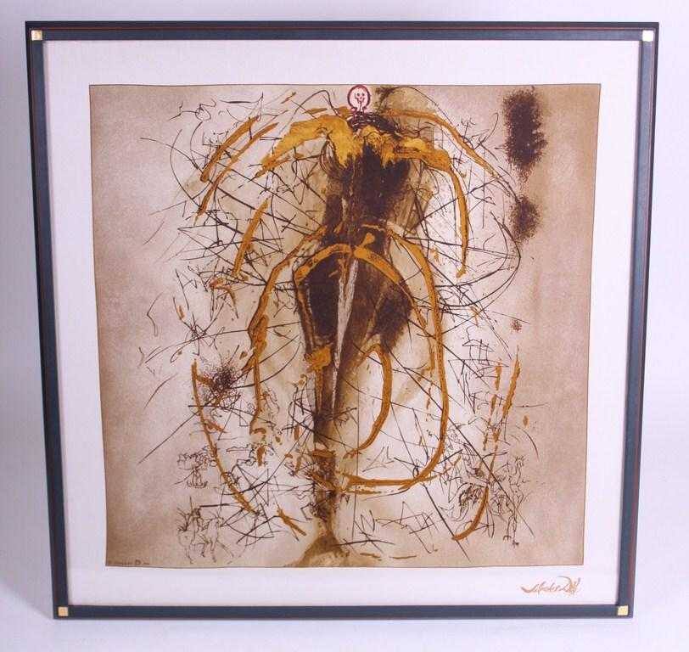
Picture | Item code | Description | Extra information | Restriction | Stock | Sales price EXW | Retail price | Barcode | Quantity PU | Quantity pallet | Pallet | Origin | Customs code | Item weight | Languages on package | Group
 | 00502 | DALI Ange Alchemie, With Numbered Certificate |  | Printed on silk, gold leaf on table. Series of 2000 pieces with certificate | 172 | 200 | 72.2 | no barcode on product | 1 |  |  |  | 9701100000 | 11200 |  | DALI Ange Alchemie

